Sheet1
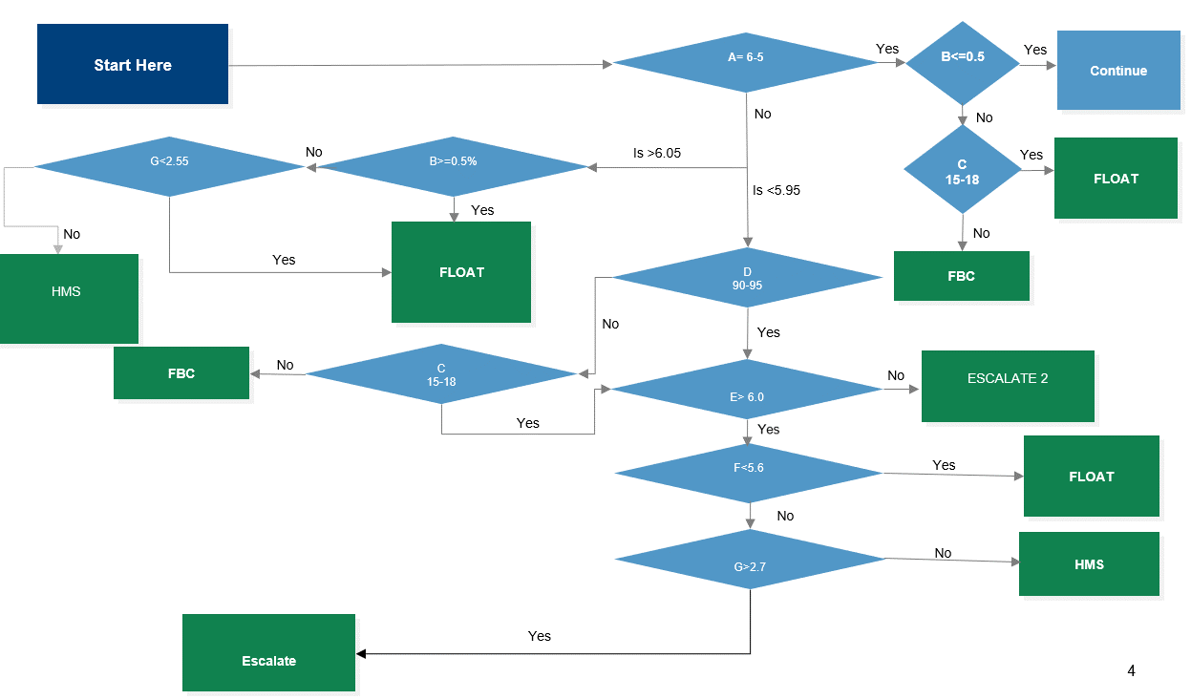
TimeStamp | A | B | C | D | E | F | G
08/10/2022 11:59:00 | 5.632 | 0.513 | 15.552 | 92.800 | 6.598 | 6.105 | 5.884

